Summary
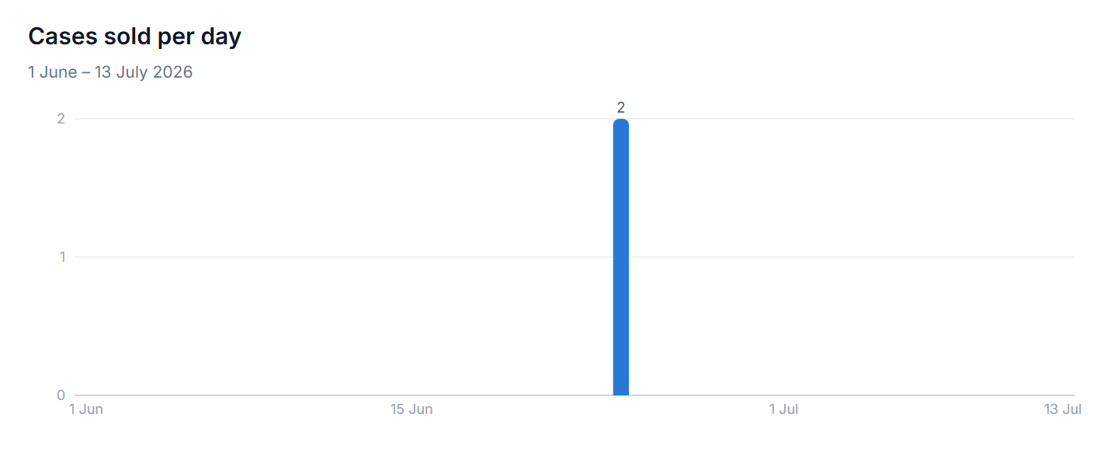
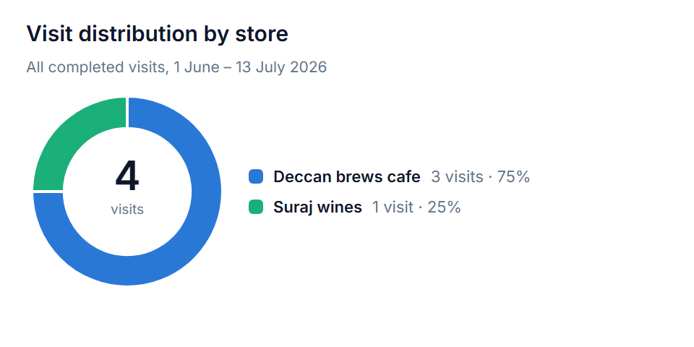
TankAssist — Field Report
Rep: Varadddd Kulkarni
Period: 1 June – 13 July 2026 (July partial) · All times IST
Generated: 13 July 2026 · Format prototype built from live data

JUNE 2026 |  | JULY 2026 (THROUGH 13 JUL)
Days present | 1 | Days present | 2
Market time (min) | 11 | Market time (min) | 133
Distance (km) | 0.02 | Distance (km) | 5.06
Store visits (completed) | 2 | Store visits (completed) | 2
Stores covered (distinct) | 1 | Stores covered (distinct) | 2
Cases sold | 2 | Cases sold | 0

Note: the app view monthly_ta_summary reports "stores_visited" as completed visits, not distinct stores — both are shown above.

